Notes
Method | Method Type | is documented? | Expected Behavior | expected == observed | Observed Behavior | Side Notes | XML & Screenshots | Script (Windows PowerShell)
/projects | OPTIONS | UNDOCUMENTED | Return the list of options (OPTIONS, GET, HEAD, POST) | YES | Received the list of options (OPTIONS, GET, HEAD, POST) | - |  | Invoke-WebRequest -Uri "http://localhost:4567/projects" -Method OPTIONS
/projects | GET | DOCUMENTED | Return all projects | YES | Received all objects | - | 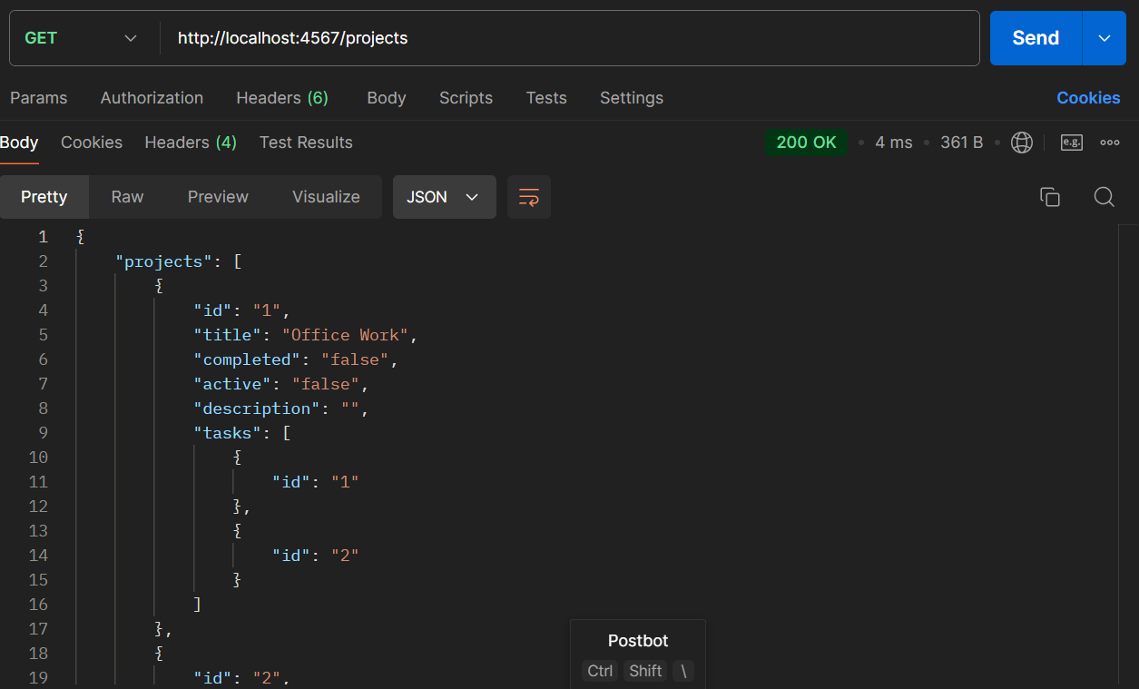 | Invoke-WebRequest -Uri "http://localhost:4567/projects" -Method GET
/projects/ | GET | UNDOCUMENTED | not allowed | YES | 404 Not Found Error | - |  | Invoke-WebRequest -Uri "http://localhost:4567/projects/" -Method GET
/projects/1 | GET | DOCUMENTED | Return the project based on id | YES | Description: Observed Behavior | - | 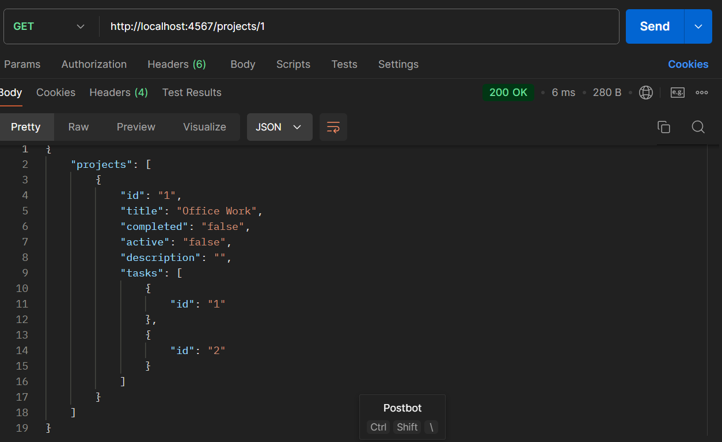 | Invoke-WebRequest -Uri "http://localhost:4567/projects/1" -Method GET
/projects/3 | GET | UNDOCUMENTED | not allowed | YES | 404 Not Found Error | Tried getting a project with a nonexistent id |  | Invoke-WebRequest -Uri "http://localhost:4567/projects/3" -Method GET
/projects?title=Office Work | GET | DOCUMENTED | Return the projects based on title | YES | Received the projects based on title | - | 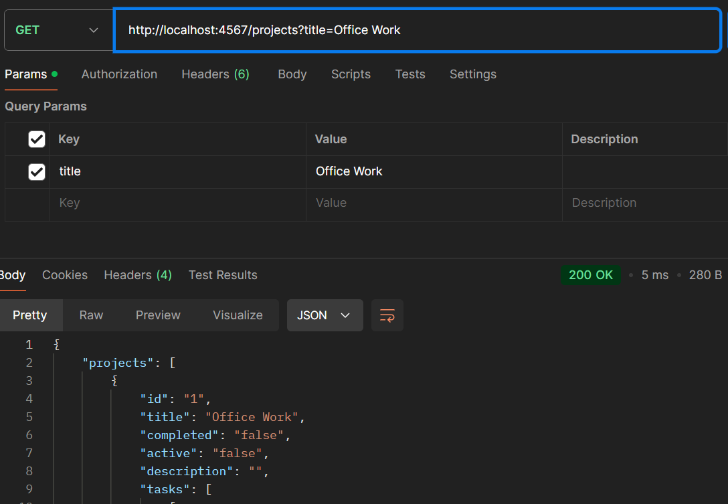 | Invoke-WebRequest -Uri "http://localhost:4567/projects?title=Office Work" -Method GET
/projects?active=false&completed=false | GET | DOCUMENTED | Return the projects based on active and completed values | YES | Received the projects based on active and completed values | - | 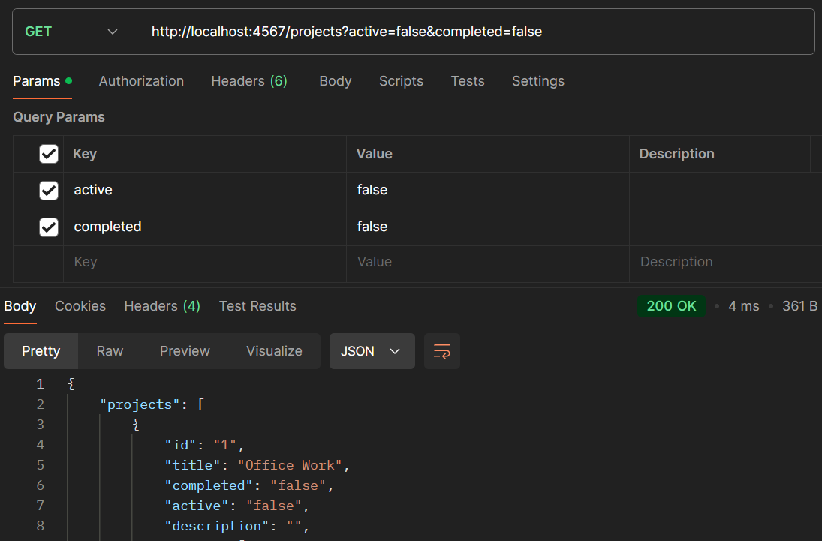 | Invoke-WebRequest -Uri "http://localhost:4567/projects?active=false&completed=false" -Method GET
/projects?description=Beginner course | GET | DOCUMENTED | Return the projects based on description | YES | Received the projects based on description | - | 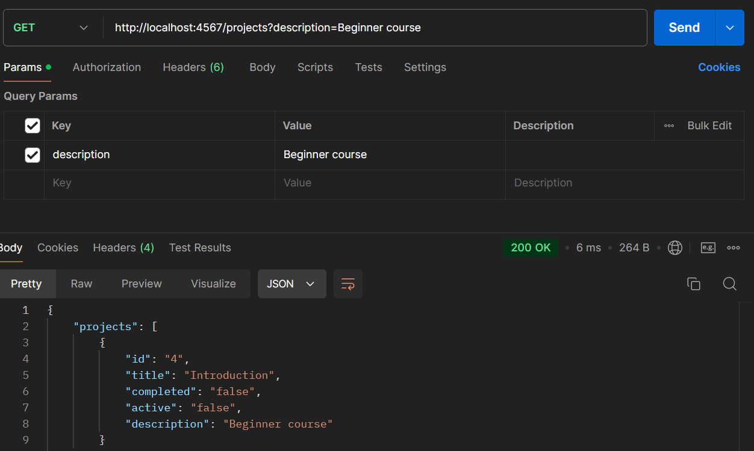 | Invoke-WebRequest -Uri "http://localhost:4567/projects?description=Beginner course" -Method GET
/projects?description=course | GET | UNDOCUMENTED | Return the projects based on partial description | NO | Received no projects | Would make more sense to filter description based on inclusion as opposed to complete correspondence of the description field | 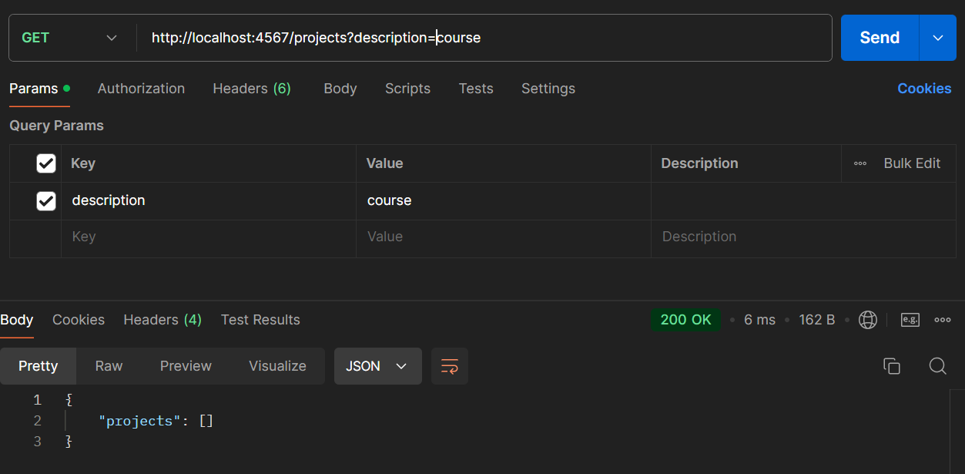 | Invoke-WebRequest -Uri "http://localhost:4567/projects?description=course" -Method GET
/projects | GET | DOCUMENTED | Return the projects in JSON | YES | Received the projects in JSON | - | 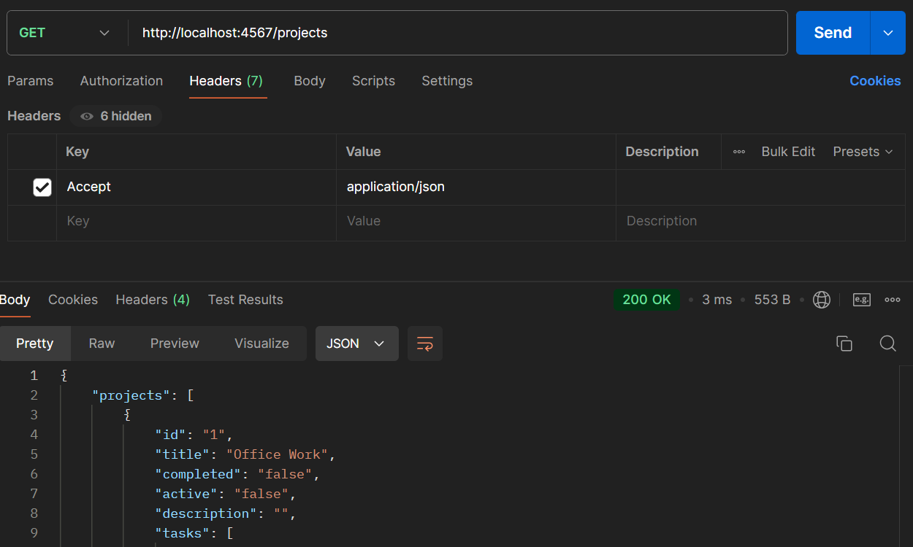 | Invoke-WebRequest -Uri "http://localhost:4567/projects" -Method GET ` -Headers @{"Accept"="application/json"}
/projects | GET | DOCUMENTED | Return the projects in XML | YES | Received the projects in XML | - |  | Invoke-WebRequest -Uri "http://localhost:4567/projects" -Method GET ` -Headers @{"Accept"="application/xml"}
/projects | HEAD | DOCUMENTED | Return the projects in JSON | YES | Received the headers in JSON | - | 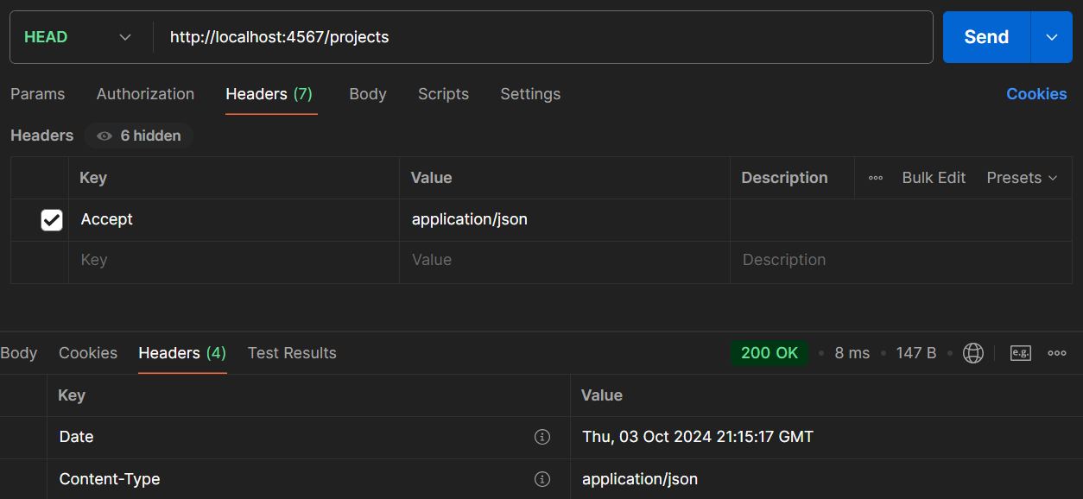 | Invoke-WebRequest -Uri "http://localhost:4567/projects" -Method HEAD ` -Headers @{"Accept"="application/json"}
/projects | HEAD | DOCUMENTED | Return the headers in XML | YES | Received the headers in XML | - | 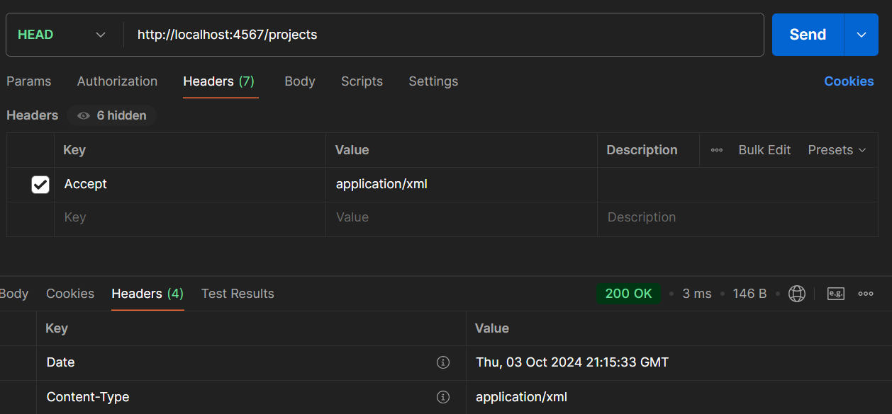 | Invoke-WebRequest -Uri "http://localhost:4567/projects" -Method HEAD ` -Headers @{"Accept"="application/xml"}
/projects | POST | DOCUMENTED | Post an empty project | NO | Posted an empty project | Would not expect to succesfully publish an empty project with no warning | 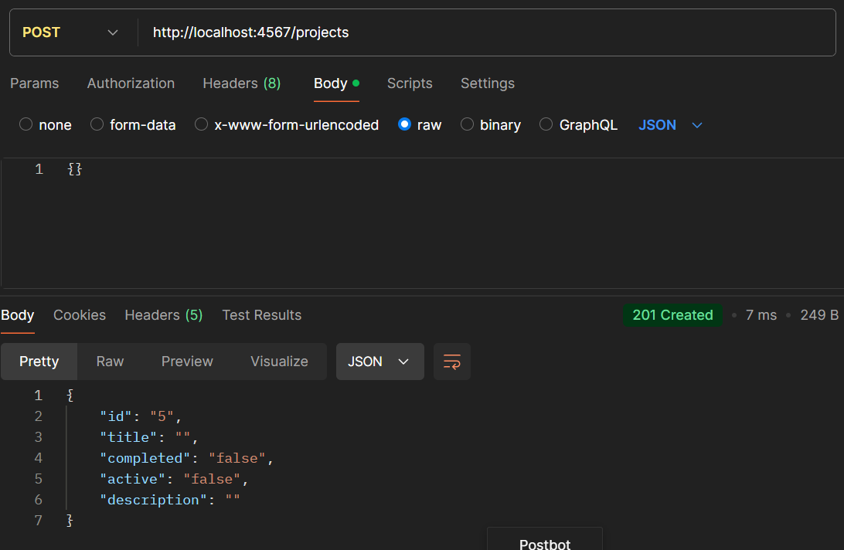 | Invoke-WebRequest -Uri "http://localhost:4567/projects" -Method POST ` -Body '{}'
/projects | POST | DOCUMENTED | Fail to post a project with an id specified | YES | Failed to post a project | Tried posting a project with an id | 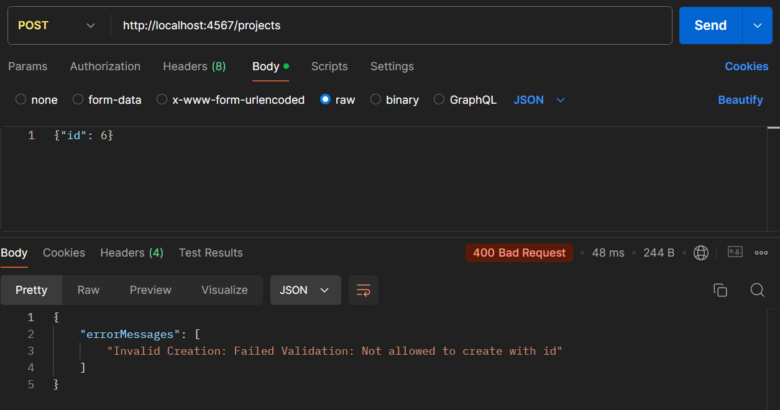 | Invoke-WebRequest -Uri "http://localhost:4567/projects" -Method POST ` -Body '{"id": 6}'
/projects | POST | DOCUMENTED | Post an object with title and description | YES | Posted an object with title and description with JSON | - | 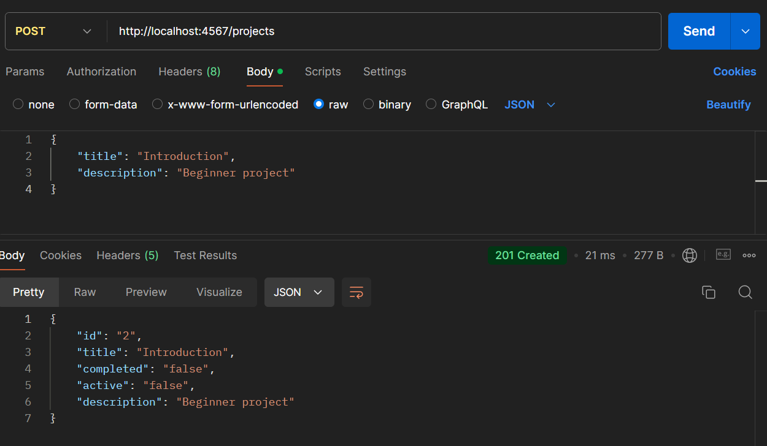 | Invoke-WebRequest -Uri "http://localhost:4567/projects" -Method POST ` -Body '{"title": "Introduction", "description": "Beginner project"}'
/projects | POST | DOCUMENTED | Post an object with the same title and description | NO | Posted an object with the same title and description with XML | It is possible to create projects with identical names and descriptions | 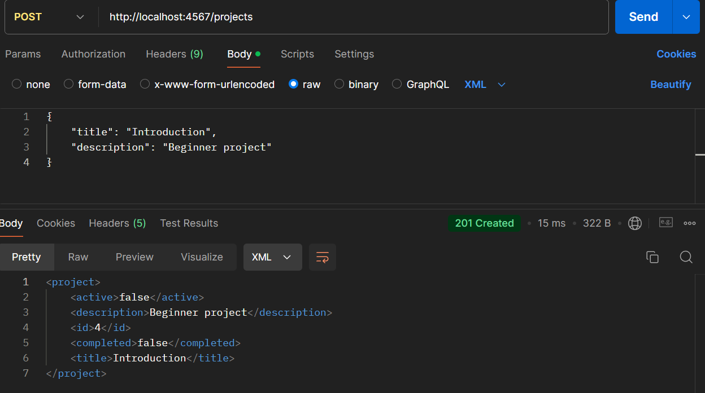 | Invoke-WebRequest -Uri "http://localhost:4567/projects" -Method POST ` -Body '{"title": "Introduction", "description": "Beginner project"}'
/projects | POST | DOCUMENTED | Post a completed project | NO | Posted a completed project | It is possible to create an already completed project | 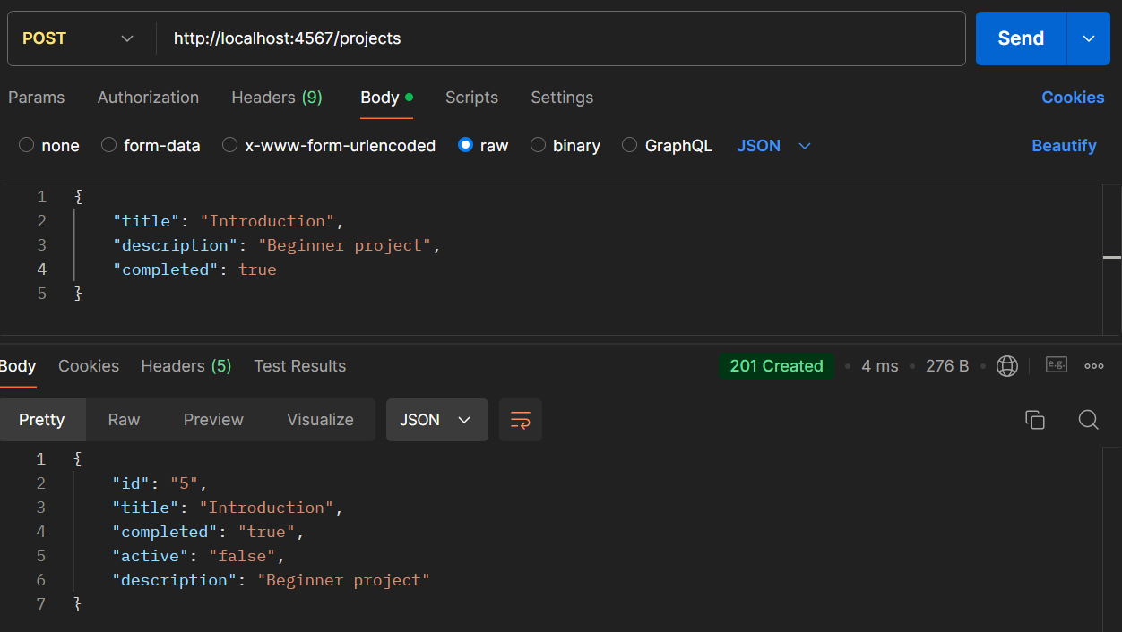 | Invoke-WebRequest -Uri "http://localhost:4567/projects" -Method POST ` -Body '{"title": "Introduction", "description": "Beginner project", "completed": true}'
/projects | POST | DOCUMENTED | Post a completed project with active status | NO | Posted a completed project with active status | It is possible to create an already completed project with a status still active | 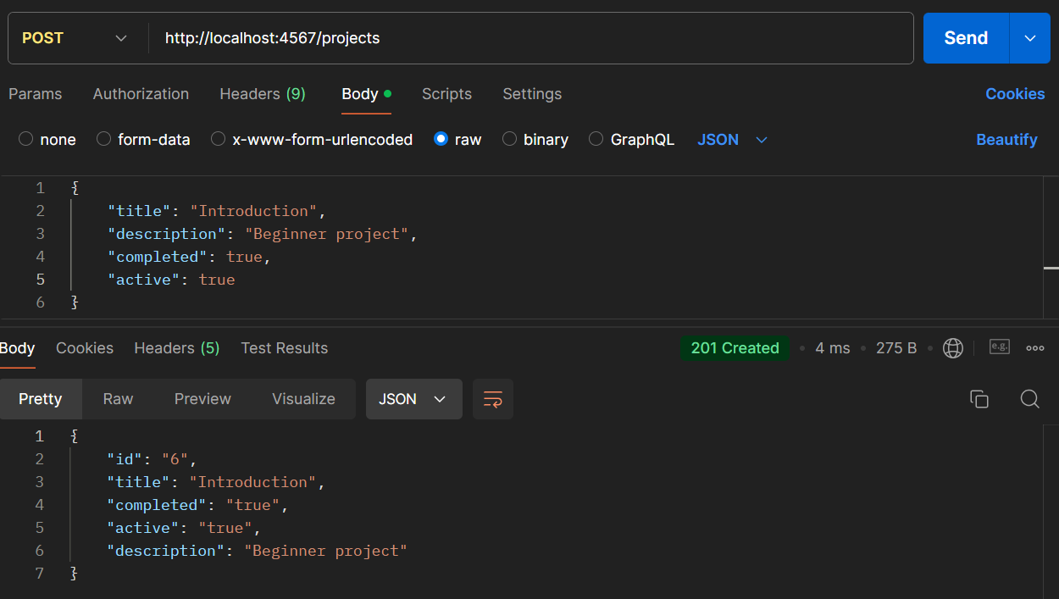 | Invoke-WebRequest -Uri "http://localhost:4567/projects" -Method POST ` -Body '{"title": "Introduction", "description": "Beginner project", "completed": true, "active": true}'
/projects/:id | OPTIONS | UNDOCUMENTED | Return the list of options (OPTIONS, GET, HEAD, POST, PUT, DELETE) | YES | Received the list of options (OPTIONS, GET, HEAD, POST, PUT, DELETE) | - | 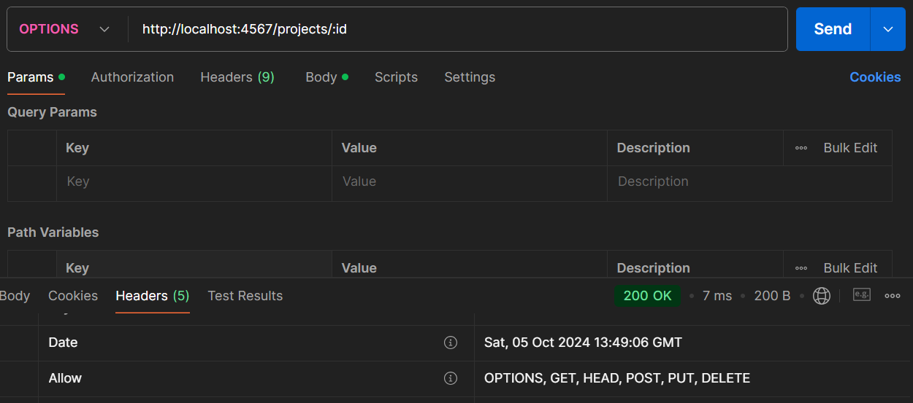 | Invoke-WebRequest -Uri "http://localhost:4567/projects/:id" -Method OPTIONS
/projects/1 | GET | DOCUMENTED | Get a project with a specific id | YES | Got a project with a specific id | - | 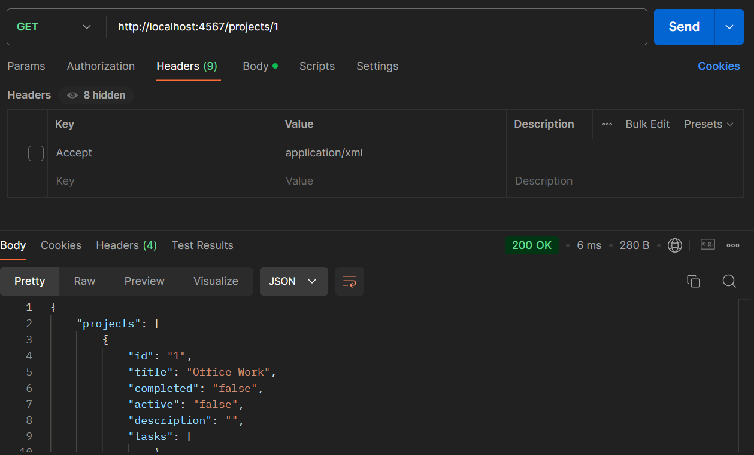 | Invoke-WebRequest -Uri "http://localhost:4567/projects/1" -Method GET
/projects/7 | GET | DOCUMENTED | Fail to get a project with a specific id | YES | Failed to get a project with a specific id (404 NOT FOUND) | - | 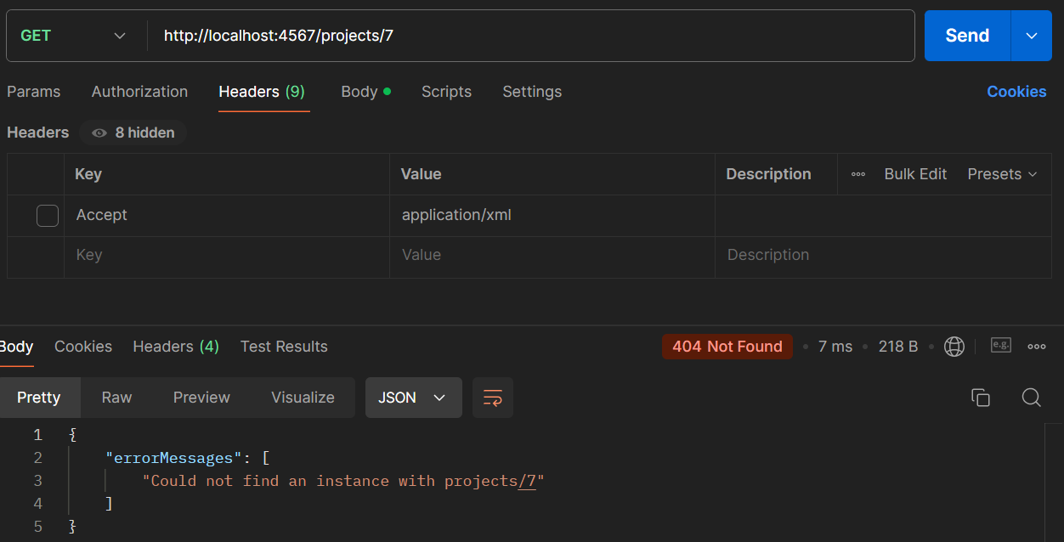 | Invoke-WebRequest -Uri "http://localhost:4567/projects/7" -Method GET
/projects/6 | HEAD | DOCUMENTED | Receive the headers in JSON | YES | Received the headers in JSON | - | 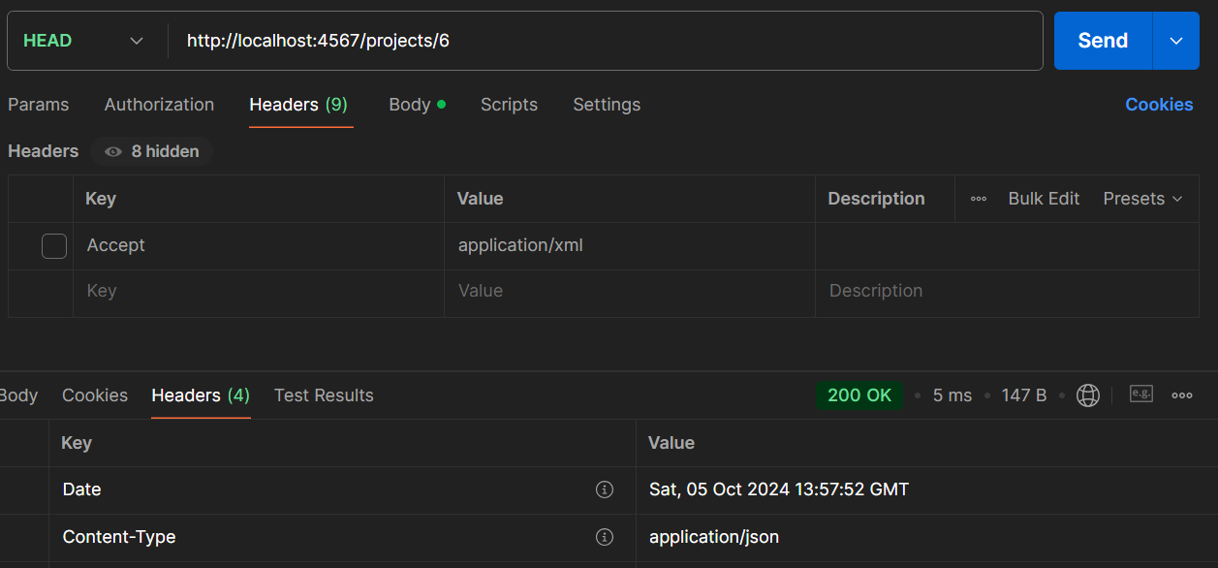 | Invoke-WebRequest -Uri "http://localhost:4567/projects/6" -Method HEAD ` -Headers @{"Accept"="application/json"}
/projects/6 | HEAD | DOCUMENTED | Receive the headers in XML | YES | Received the headers in XML | - | 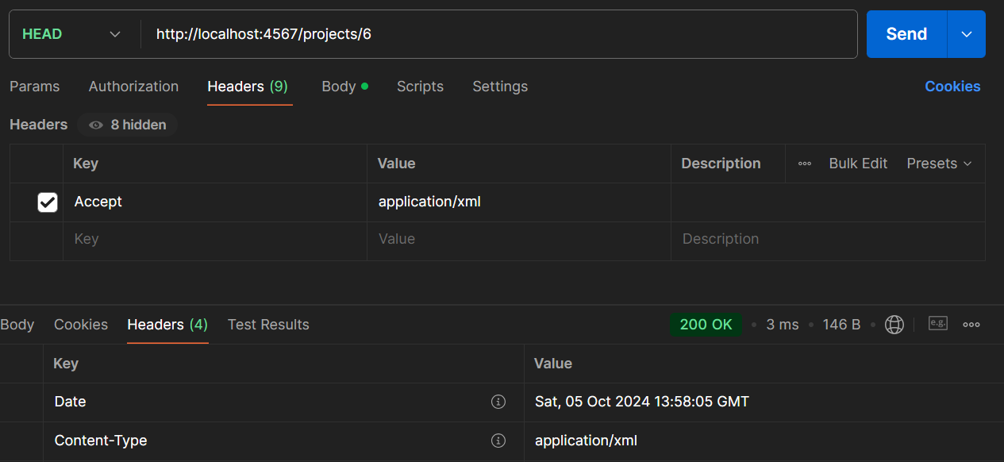 | Invoke-WebRequest -Uri "http://localhost:4567/projects/6" -Method HEAD ` -Headers @{"Accept"="application/xml"}
/projects/6 | POST | DOCUMENTED | Modify a project with an existing id and modified completed status | YES | Modified a project with an existing id and modified completed status | PATCH should be used for amending instances instead | 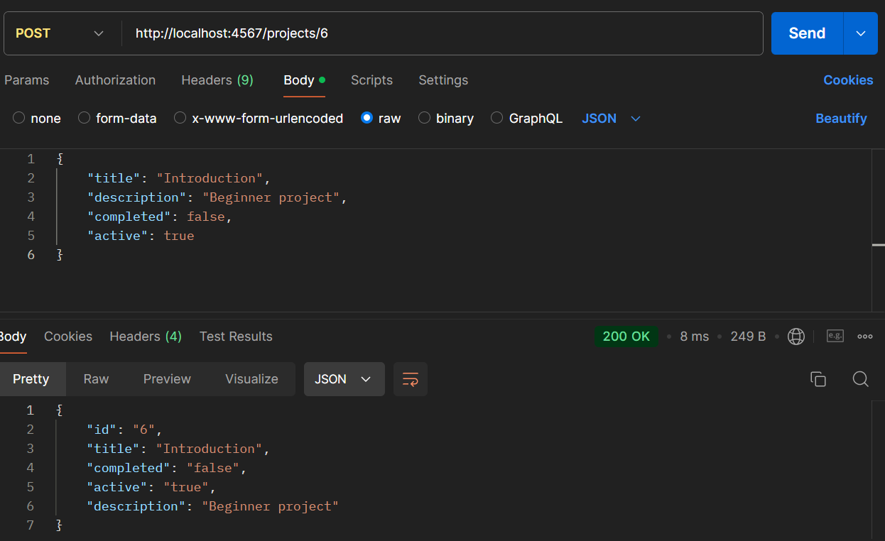 | Invoke-WebRequest -Uri "http://localhost:4567/projects/6" -Method POST ` -Body '{"title": "Introduction", "description": "Beginner project", "completed": false, "active": true}'
/projects/7 | POST | DOCUMENTED | Fail to modify a project with a nonexistent id | YES | Failed to modify a project with a nonexistent id (404 NOT FOUND) | - | 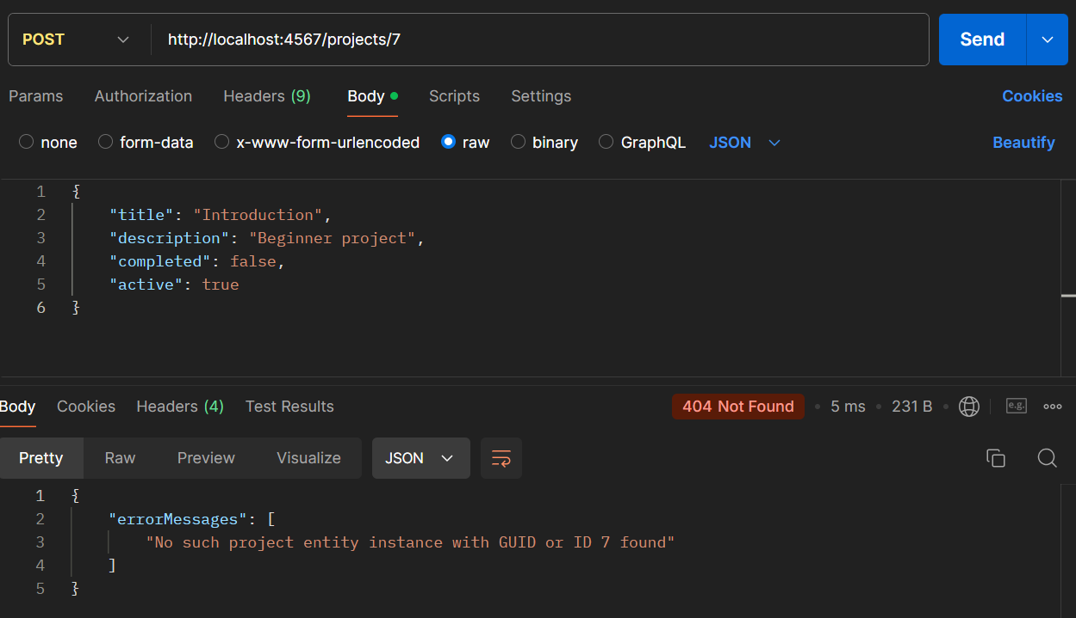 | Invoke-WebRequest -Uri "http://localhost:4567/projects/7" -Method POST ` -Body '{"title": "Introduction", "description": "Beginner project", "completed": false, "active": true}'
/projects/6 | PUT | DOCUMENTED | Modify a project with an existing id and modified description | NO | Replaced a project completely | Replaced a project completely with a project containing specified description and default values for the ones not specified (not mentioned in the documentation) | 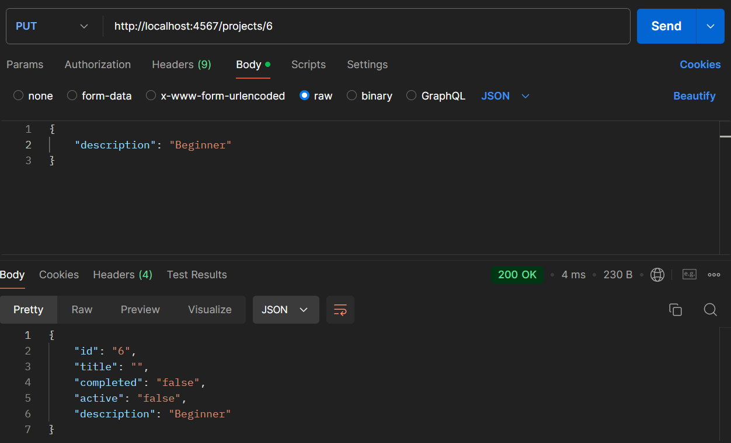 | Invoke-WebRequest -Uri "http://localhost:4567/projects/6" -Method PUT ` -Body '{ "description": "Beginner"}'
/projects/7 | PUT | DOCUMENTED | Fail to modify a project with a nonexistent id | YES | Failed to modify a project with a nonexistent id (404 NOT FOUND) | - | 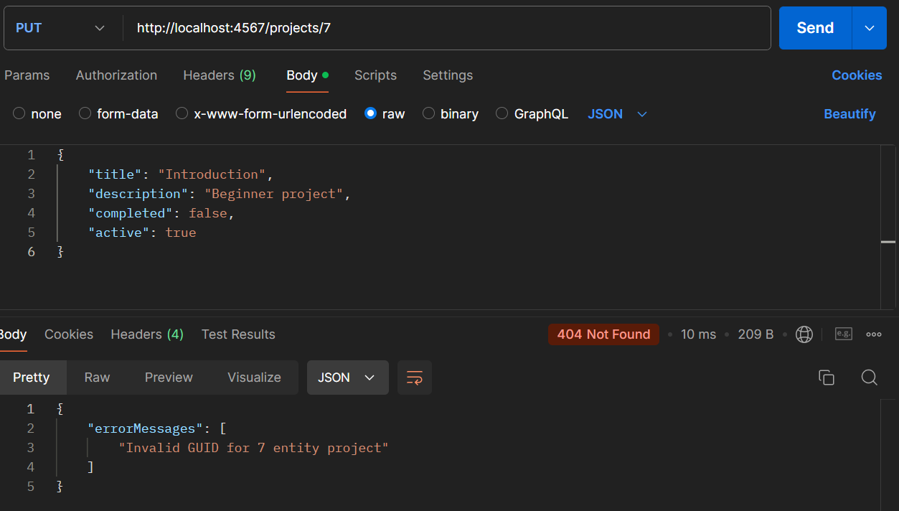 | Invoke-WebRequest -Uri "http://localhost:4567/projects/7" -Method PUT ` -Body '{"title": "Introduction", "description": "Beginner project", "completed": false, "active": false}'
/projects/1 | DELETE | DOCUMENTED | Delete a project with a specific id | YES | Deleted a project with a specific id | - | 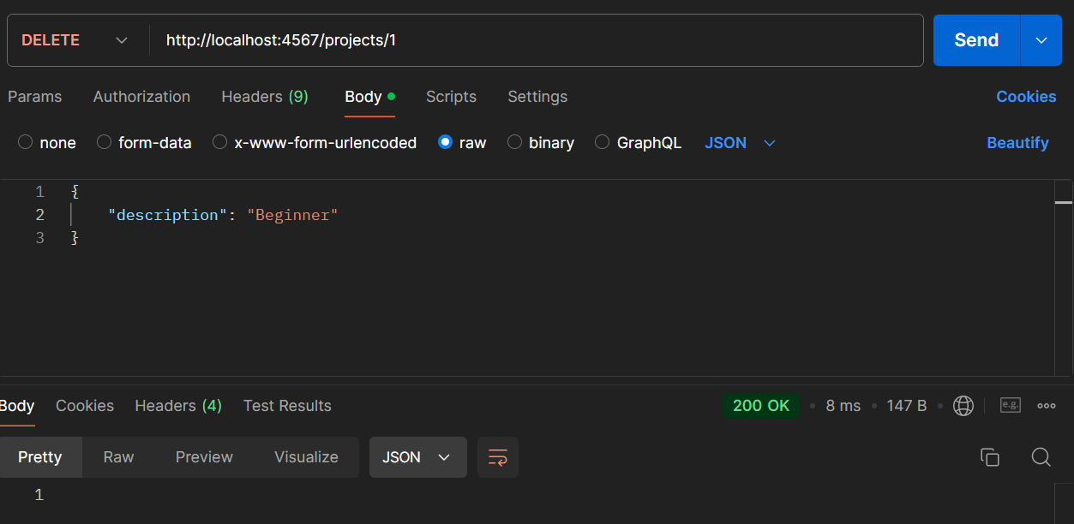 | Invoke-WebRequest -Uri "http://localhost:4567/projects/1" -Method DELETE
/projects/1 | GET | DOCUMENTED | Fail to get a deleted project | YES | Failed to get a deleted project | - | 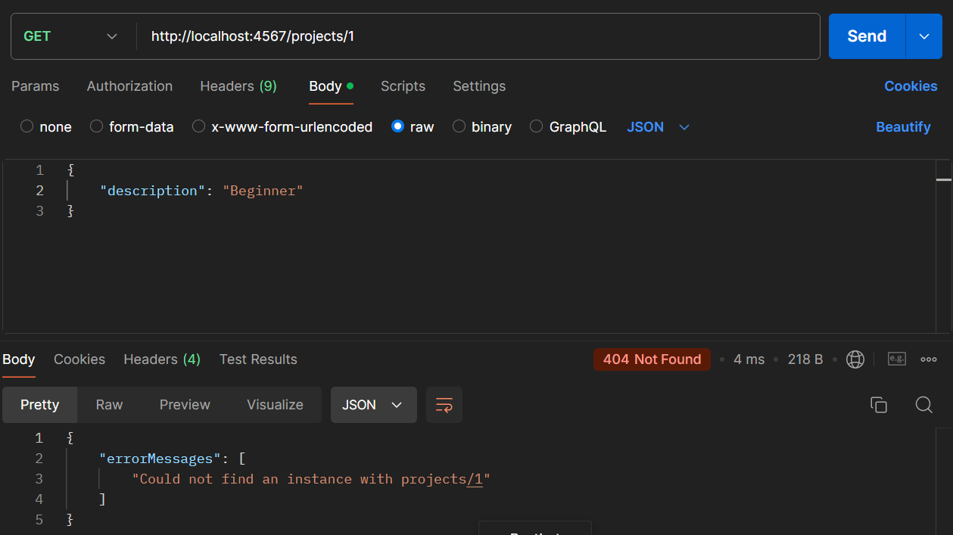 | Invoke-WebRequest -Uri "http://localhost:4567/projects/1" -Method GET
/projects/7 | DELETE | DOCUMENTED | Fail to delete a project with a nonexistent id | YES | Failed to delete a project with a nonexistent id | - | 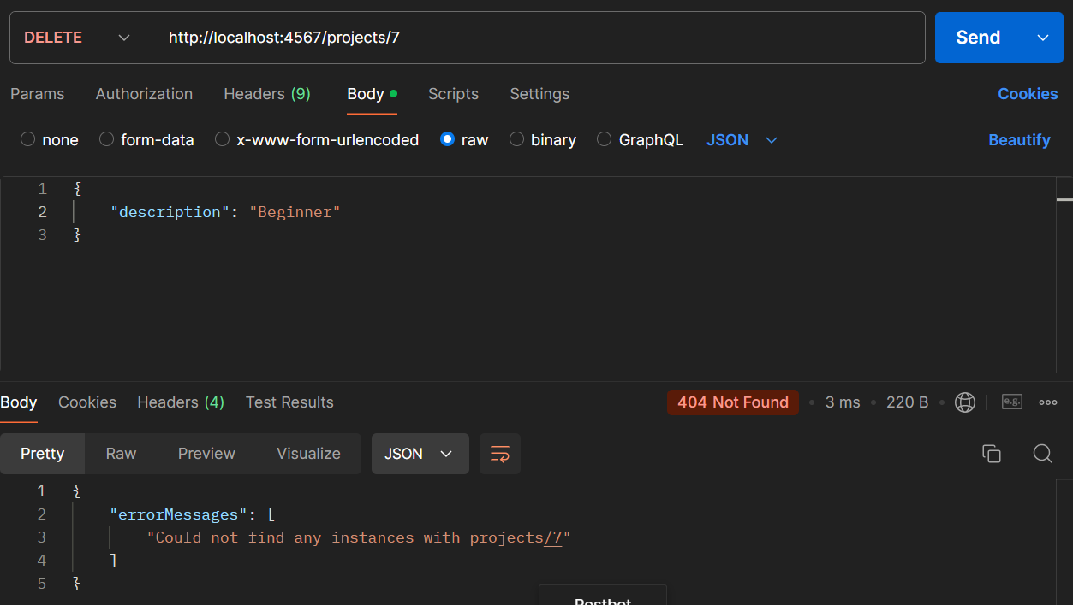 | Invoke-WebRequest -Uri "http://localhost:4567/projects/7" -Method GET

